USE THIS
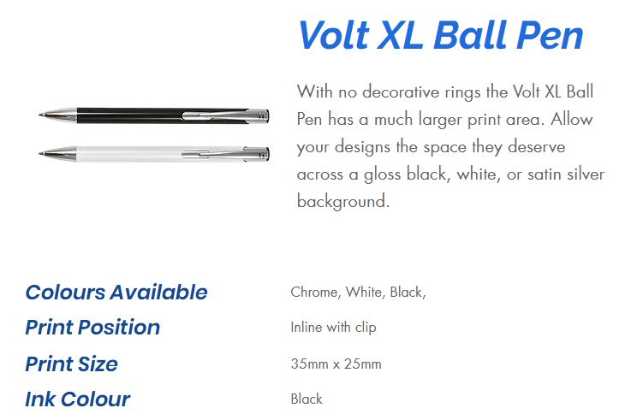
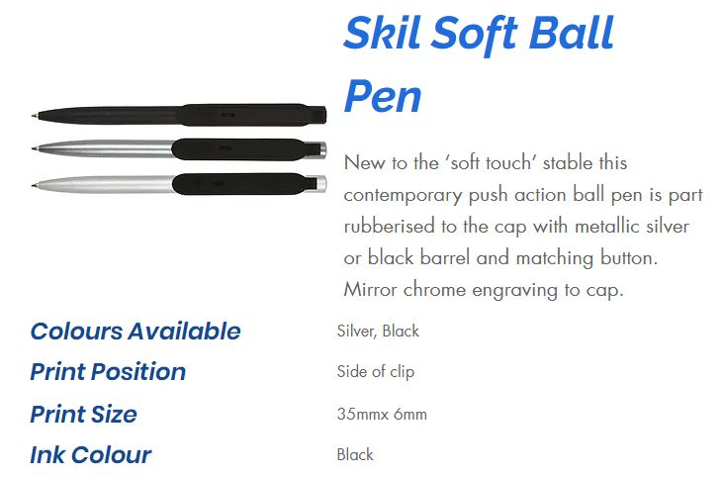
stno | Colour | title | Stock
1408 | WHITE | 4-COLOUR PEN | 2850
17085 | BLACK | BAYONET SOFT BP CHRM | 7200
17086 | SILVER | CHEVRON BALLPEN | 1800
17086 | BLACK | CHEVRON BALLPEN | 2700
2154 | GREY | CONGRESS BALLPEN | 2400
2154 | SILVER | CONGRESS BALLPEN | 2750
2154 | BLACK | CONGRESS BALLPEN | 5400
1421 | BLACKCT | CONTINENTAL BALLPEN | 3150
1421 | SATINCT | CONTINENTAL BALLPEN | 9000
2188X | BLACK | EXPLORER TOUCH EXTRA | 2000
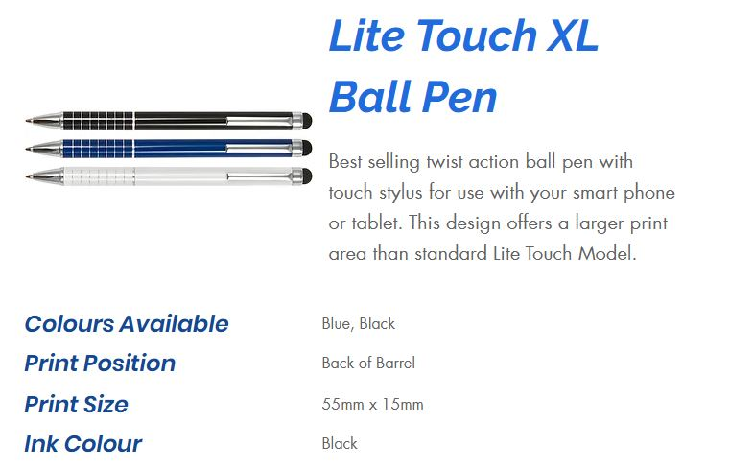
2188X | WHITE | EXPLORER TOUCH EXTRA | 2000
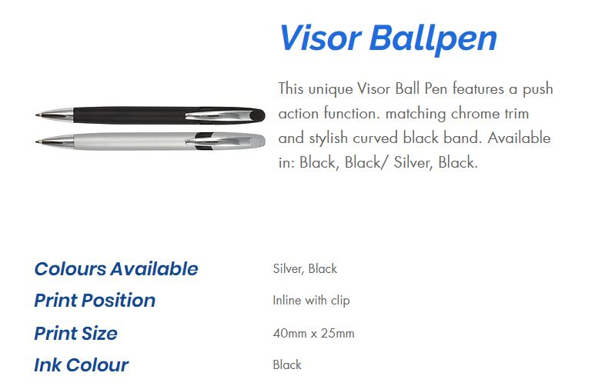
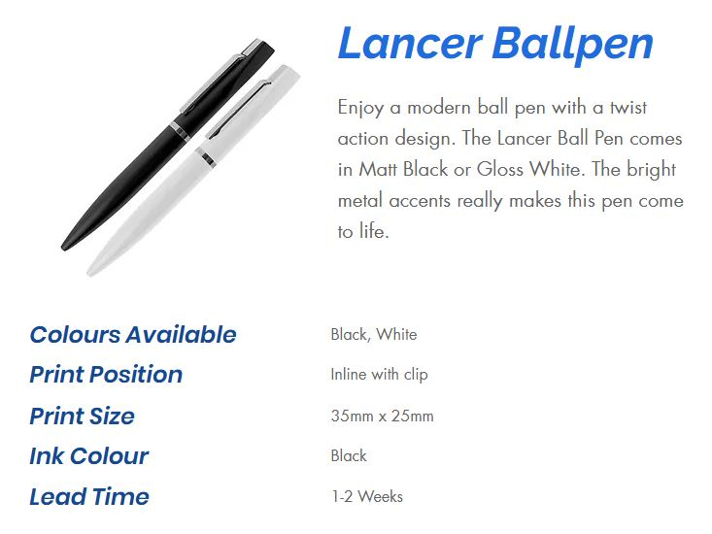
17088 | BLACK | LANCER BALLPEN | 350
17088 | WHITE | LANCER BALLPEN | 2200
8108 | BLUE | LITE TOUCH XL BP | 1300
8108 | BLACK | LITE TOUCH XL BP | 6000
1541 | BLACK | MAGNOX BALL PEN | 4650
1541 | SILVER | MAGNOX BALL PEN | 4850
9068 | BLACK and GOLD | OMAN BALL PEN GT | 1650
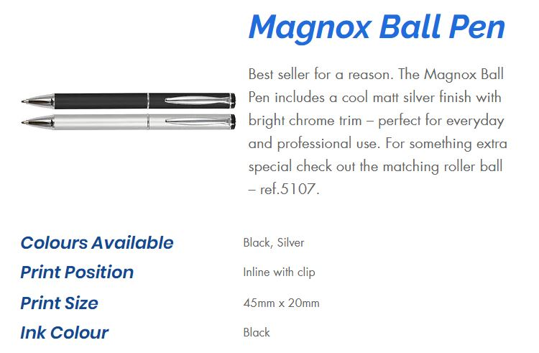
18202 | BLUE | OVAL BALL PEN | 2500
18202 | SILVER | OVAL BALL PEN | 1900
18202 | WHITE | OVAL BALL PEN | 2500
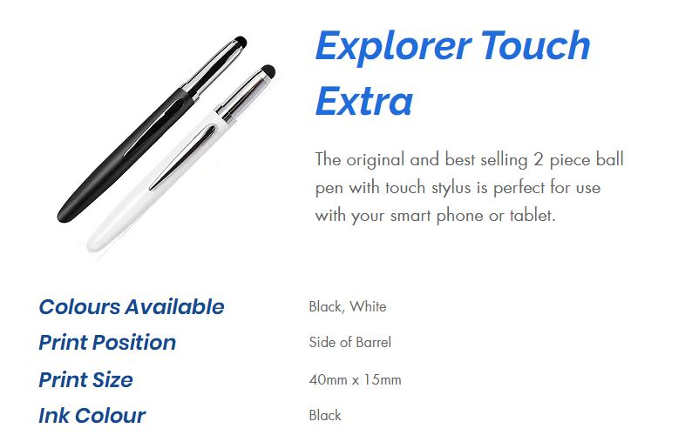
18202 | BLACK | OVAL BALL PEN | 4900
8104 | BLACK | PERI SOFT BP CHRM | 4150
1289 | DARK BLUE | RHIN BALL PEN | 2600
1289 | RED | RHIN BALL PEN | 900
1289 | BLACK | RHIN BALL PEN | 10000
1289 | WHITE | RHIN BALL PEN | 16000
18205 | SILVER | SKIL SOFT BALL PEN | 3900
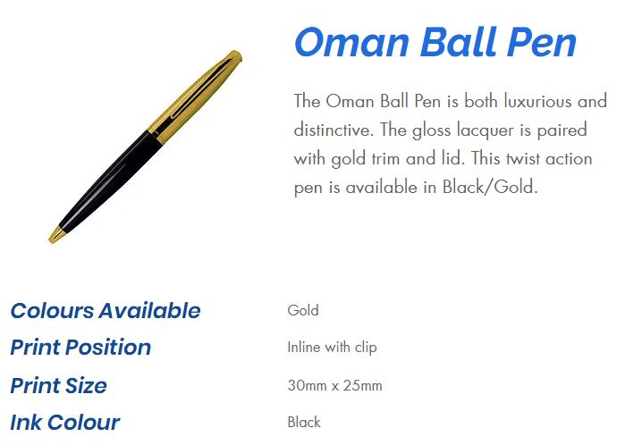
18205 | BLACK | SKIL SOFT BALL PEN | 4800
1422 | SILVER | STRIDER BALLPEN | 1150
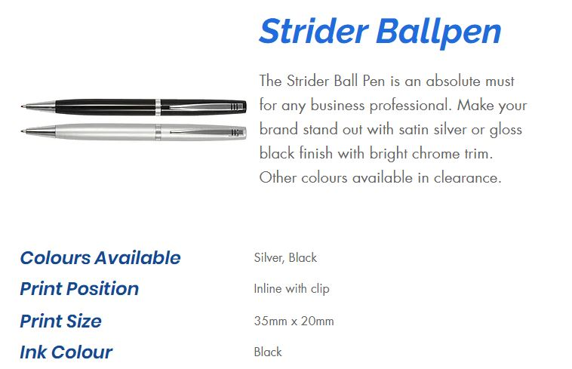
1422 | BLACK | STRIDER BALLPEN | 5700
8113 | SILVER | VISOR BALLPEN | 4000
8113 | BLACK | VISOR BALLPEN | 12000
18200 | CHROME | VOLT XL BALL PEN | 4000
18200 | WHITE | VOLT XL BALL PEN | 4750
18200 | BLACK | VOLT XL BALL PEN | 5000
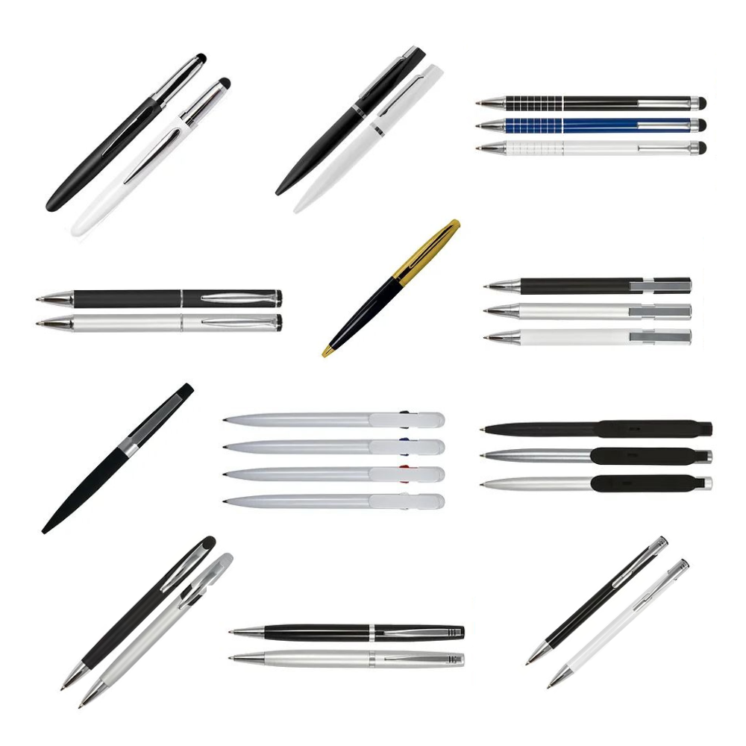
 |  |  | 153000

